Calculator
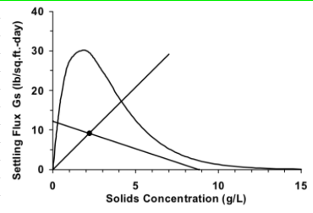
CALCULATION TOOL
Based on Mass Balance in Secondary Clarifier |  | Based on SSV, SSC, SVI, or SDI |  | Based on Sludge Quality |  | Based on State Point Analysis Method
(Q + Qr) x MLSS = (Qr x RASc) + (Qw x WASc) |  | Qr = (Q + Qr) x SSV / 1000 |  | I. Conduct Sludge settling test using Settleometer
Q x MLSS + Qr x MLSS = Qr x RASc + Qw x WASc |  | Qr x 1000 = Q x SSV + Qr x SSV |  | II. Keep noting the Settled Sludge Volume (SSV, in mL/L) at different times (in mins)
Qr = [ (Qw x WASc) - (Q x MLSS) ] / (MLSS - RASc) |  | Qr = Q x SSV / (1000 - SSV) |  | (NOTE - if it's a 2 L settleometer, divide the observed settled volume by 2)
where, |  | Qr = Q x [ MLSS x 1000 / SSC ] / (1000 - [ MLSS x 1000 / SSC ] ) |  | III. Calculate the Settled Sludge Conc. (SSC, in mg/L) using the following:
Q = Average daily flow to Aeration Tank, MGD |  | Qr = Q x MLSS x 1000 / { (1000 x SSC) - ( MLSS x 1000 ) } |  | SSC = MLSS x 1000 / SSV
Qr = Average daily RAS flow, MGD |  | Qr = Q x SSV / (1000 - SSV) |  | where, MLSS = Avg. Mixed Liquor Suspended Solids in each Aeration Tank, in mg/L
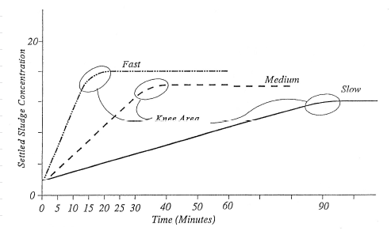
Qw = Average daily WAS flow, MGD |  | Qr = Q x [SVI x MLSS / 1000] / (1000 - [SVI x MLSS / 1000]) |  | IV. Draw a smooth graph of SSC (in 1000 mg/L) vs Time (in mins). It should look like this :
MLSS = Avg Mixed Liquor Suspended Solids in each AT, mg/L |  | Qr = Q x SVI x MLSS / { 10^6 - (SVI x MLSS) }
WASc = WAS concentration, mg/L |  | Qr = Q x [100/SDI] x MLSS / {10e6 - ([100/SDI] x MLSS) }
RASc = RAS concentration, mg/L |  | Qr = Q x 100 x MLSS / { (10^6 x SDI) - (100 x MLSS) }
 |  | where,
INPUT : |  | Q = Average daily flow, MGD
Average daily flow to Aeration Tank | MGD | Qr = RAS flow, MGD |  |  |  | SOURCES
Average daily WAS flow | MGD | MLSS = Avg Mixed Liquor Suspended Solids in each AT, mg/L |  |  |  | https://www.maine.gov/dep/water/wwtreatment/state_point_article.pdf
Average MLSS in each Aeration Tank | mg/L | SSV = Settled Sludge Volume in Settleometer, mL/L |  |  |  | State of Maine Department of Environmental Protection, "Notes on Activated Sludge Process Control"
WAS or RAS concentration | mg/L | SSC = Settled Sludge Concentration in Settleometer, mg/L
 |  | SVI = Sludge Volume Index, mL/g
OUTPUT : |  | SDI = Sludge Density Index, g/100 mL
Average daily RAS flow | MGD | 1000 is 1000 mL/L
Avg daily RAS flow as % of Avg daily flow to Aeration Tank | % | 1000 is 1000 mg/g
 |  | 10^6 is 10^6 mLmg/Lg
 |  |  |  | V. Circle the "Knee Area" and note the associated Time & SSV/SSC. These are optimum values.
 |  | INPUT : |  | Optimum time ranges are given below when usually, 70-80% of the sludge has settled.
 |  | Average daily flow to Aeration Tank | MGD | Rapid Settling Sludge : 15 - 30 mins
 |  | Average MLSS in each Aeration Tank | mg/L | Normal Settling Sludge : 40 - 60 mins
 |  | Settled Sludge Volume in Settleometer (SSV), if known | mL/L | Slow Settling Sludge : 100 - 140 mins
 |  | Settled Sludge Concentration in Settleometer (SSC), if known | mg/L | VI. The Optimum SSC is the desired RAS/WAS concentration.
 |  | Sludge Volume Index (SVI), if known | mL/g | VII. Adjust RAS flow till your current RAS conc. reaches the desired RAS conc. determined above.
 |  | Sludge Density Index (SDI), if known | g/100 mL | If your current RAS conc. < Desired RAS conc., Decrease the RAS flow gradually
 |  |  |  | If your current RAS conc. > Desired RAS conc., Increase the RAS flow gradually
 |  | OUTPUT :
 |  | Average daily RAS flow, based on SSV | MGD | VIII. OR you could use the tool below to determine the Ideal RAS flow you need to set :
 |  | Avg daily RAS flow as % of Avg daily flow to Aeration Tank | % | Qr = Q x MLSS x 1000 / { (1000 x SSC) - ( MLSS x 1000 ) }
 |  |  |  | where,
 |  | Average daily RAS flow, based on SSC | MGD | Q = Average daily flow to Aeration Tank, in MGD
 |  | Avg daily RAS flow as % of Avg daily flow to Aeration Tank | % | Qr = Average daily RAS flow, in MGD
 |  |  |  | MLSS = Avg Mixed Liquor Suspended Solids in each AT, mg/L
 |  | Average daily RAS flow, based on SVI | MGD | SSC = Optimum Settled Sludge concentration determined, mg/L
 |  | Avg daily RAS flow as % of Avg daily flow to Aeration Tank | %
 |  |  |  | If you know the ideal WAS flow rate for your system, use the following formula instead
 |  | Average daily RAS flow, based on SDI | MGD | Qr = [ (Qw x SSC) - (Q x MLSS) ] / (MLSS - SSC)
 |  | Avg daily RAS flow as % of Avg daily flow to Aeration Tank | % | where,
 |  |  |  | Qw = Average daily WAS flow, in MGD

 |  |  |  | INPUT :
 |  |  |  | Optimum Sludge Settling Time | mins
 |  |  |  | Optimum Sludge Settling Concentration | mg/L
 |  |  |  | MLSS | mg/L
 |  |  |  | Average daily flow to Aeration Tank | MGD
 |  |  |  | Average daily WAS flow, if known | MGD

 |  |  |  | OUTPUT :
 |  |  |  | Optimum Average daily RAS flow, if WAS flow not known | MGD
 |  |  |  | Avg daily RAS flow as % of Avg daily flow to Aeration Tank | %

 |  |  |  | Optimum Average daily RAS flow, if WAS flow known | MGD
 |  |  |  | Avg daily RAS flow as % of Avg daily flow to Aeration Tank | %

